Sheet1
 | Cicero | GeneScoring | GAGAM1 | GAGAM2
Buenrostro2018 | 0.217 | 0.297 | 0.325 | 0.272
SNARE | 0.082 | 0.04 | 0.115 | 0.128
10X V1.0.1 PBMC | 0.397 | 0.55 | 0.463 | 0.62
10X V2.0.0 PBMC | 0.523 | 0.493 | 0.492 | 0.539
10X V1.1.0 Brain | 0.284 | 0.448 | 0.286 | 0.286

ARI

 |  |  |  |  |  |  |  |  |  | NN couples | Anchors |  |  |  | RI_var_mean | 0.8079508 | 0.8291185
 |  |  |  |  |  |  |  |  | RI | 0.6815943 | 0.7002353 |  |  |  | RI_eph_mean | 0.7577253 | 0.7850685
 |  |  |  |  |  |  |  |  | RIsmean | 0.7609539 | 0.8219734
 |  |  |  |  |  |  |  |  |  |  |  | RI_int | 0.8113519 | 0.799746

AMI

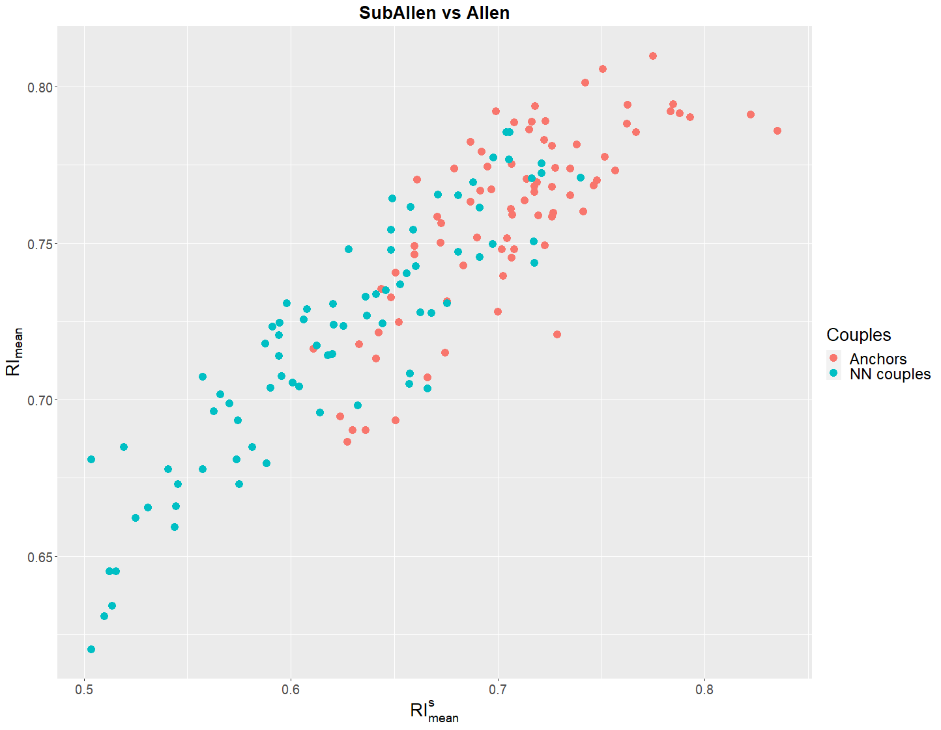
 |  |  |  |  |  | Cicero | GeneScoring | GAGAM1 | GAGAM2
 |  |  |  |  | Buenrostro2018 | 0.344 | 0.435 | 0.466 | 0.458
 |  |  |  |  | SNARE | 0.157 | 0.067 | 0.175 | 0.186
 |  |  |  |  | 10X V1.0.1 PBMC | 0.505 | 0.544 | 0.555 | 0.6
 |  |  |  |  | 10X V2.0.0 PBMC | 0.654 | 0.625 | 0.671 | 0.67
 |  |  |  |  | 10X V1.1.0 Brain | 0.437 | 0.639 | 0.455 | 0.453

Compared to each method’s clustering

 |  |  |  |  |  | Cicero | GeneScoring | GAGAM1 | GAGAM2
 |  |  |  |  | Buenrostro2018 | 0.112 | 0.02 | 0.186 | 0.141
 |  |  |  |  | SNARE | 0.213 | 0.127 | 0.184 | 0.184
 |  |  |  |  | 10X V1.0.1 PBMC | 0.204 | 0.061 | 0.258 | 0.242
 |  |  |  |  | 10X V2.0.0 PBMC | 0.25 | 0.103 | 0.212 | 0.223
 |  |  |  |  | 10X V1.1.0 Brain | 0.277 | 0.112 | 0.28 | 0.28

Compared to labels or ATAC clustering

 |  |  |  |  |  | Cicero | GeneScoring | GAGAM1 | GAGAM2
 |  |  |  |  | Buenrostro2018 | 0.136 | 0.034 | 0.2 | 0.191
 |  |  |  |  | SNARE | 0.267 | 0.14 | 0.217 | 0.219
 |  |  |  |  | 10X V1.0.1 PBMC | 0.229 | 0.086 | 0.243 | 0.243
 |  |  |  |  | 10X V2.0.0 PBMC | 0.27 | 0.127 | 0.252 | 0.268
 |  |  |  |  | 10X V1.1.0 Brain | 0.271 | 0.172 | 0.272 | 0.275

